AXISGETF
AXISGETF | Axis Gold ETF

 | Monthly Portfolio Statement as on October 31, 2023
 | Name of the Instrument | ISIN | Industry / Rating | Quantity | Market/Fair Value (Rs. in Lakhs) | % to Net Assets | YTM~ | YTC^ | NSE
 | Gold
GOLD100 | GOLD .995 1KG BAR |  |  | 1,269 | 77,786.61 | 98.25%
 | Sub Total |  |  |  | 77,786.61 | 98.25%
 | Total |  |  |  | 77,786.61 | 98.25%
 | Reverse Repo / TREPS
TRP_011123 | Clearing Corporation of India Ltd |  |  |  | 79.89 | 0.10% | 6.76%
 | Sub Total |  |  |  | 79.89 | 0.10%
 | Total |  |  |  | 79.89 | 0.10%
 | Net Receivables / (Payables) |  |  |  | 1,303.88 | 1.65%
 | GRAND TOTAL |  |  |  | 79,170.38 | 100.00%

 | ~ YTM as on October 31, 2023
 | ^ YTC represents Yield to Call provided by valuation agencies as on October 31, 2023. It is disclosed for Perpetual Bond issued by Banks (i.e. AT-1 Bond / Tier 1 Bond / Tier 2 Bond), as per AMFI Best Practices Guidelines Circular no. 135/BP/91/2020-21 read with SEBI circular No. SEBI/HO/IMD/DF4/CIR/P/2021/034 on Valuation of AT-1 Bonds and Tier 2 Bonds.

 | Aggregate Investments by other schemes (At NAV) as on October 31, 2023 RS 52280.12 Lakh's

 |  | Benchmark Name - DOMESTIC PRICE OF GOLD
 | Scheme Risk-O-Meter | Benchmark Risk-O-Meter
 | 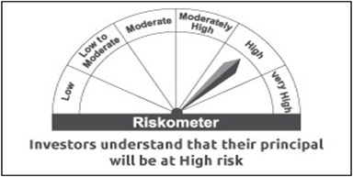 | 

